1kHz
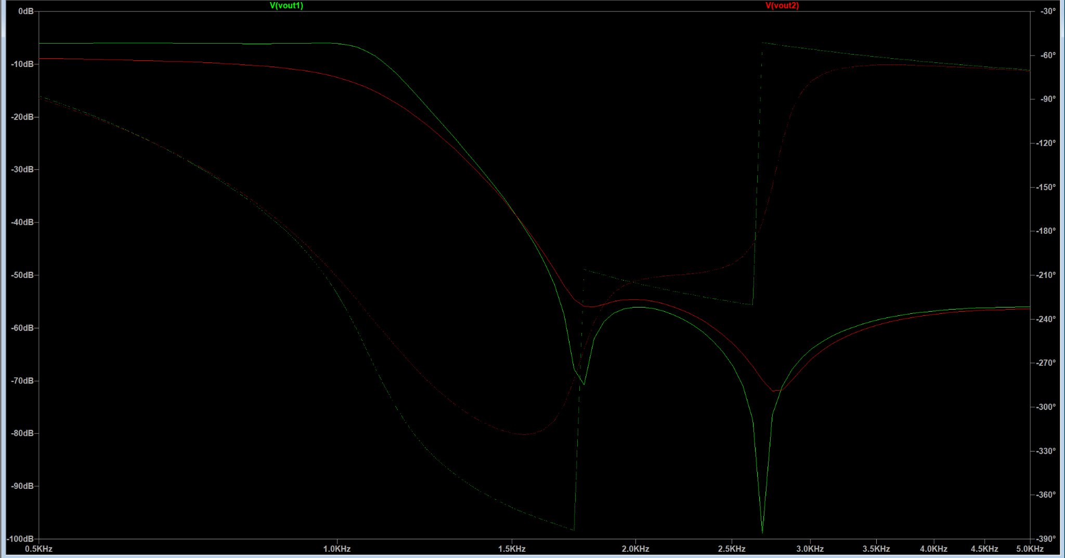
L/C Components | DCR / ESR / Temp | Footprint | JLCPCB Part #
L1 / 10mH | 14.2 | SMD,18.8x15.5mm | C19632966
L2 / 8.2mH | 10 | SMD,12x12mm | C5278962
C1 / 3.3uF |  | X7R, 0805 | C16194987
C2 / 330nF |  | X7R, 0603 | C282682
C3 / 5.6uF |  | X7R, 1210 | C5156763
C4 / 1uF |  | X7R, 0603 | C106248
C5 / 2.7uF |  | X7R, 0805 | C2171278

Other choices Possible | DCR / ESR (Ω) | Footprint | JLCPCB Part #
C1 / 3.3uF |  | X7R, 1206 | C20617860
C2 / 330nF |  | X7R, 1206 | C274377
C3 / 5.6uF |  | X7R, 1206 | C47018385
C4 / 1uF |  | X7R, 1206 | C91151
C5 / 2.7uF |  | X7R, 1206 | C282852

C1 / 3.3uF |  | X5R, 0603 | C342962
C2 / 330nF |  | C0G, 1206 | C3905119
C4 / 1uF |  | X7R, 0805 | C28323

2kHz
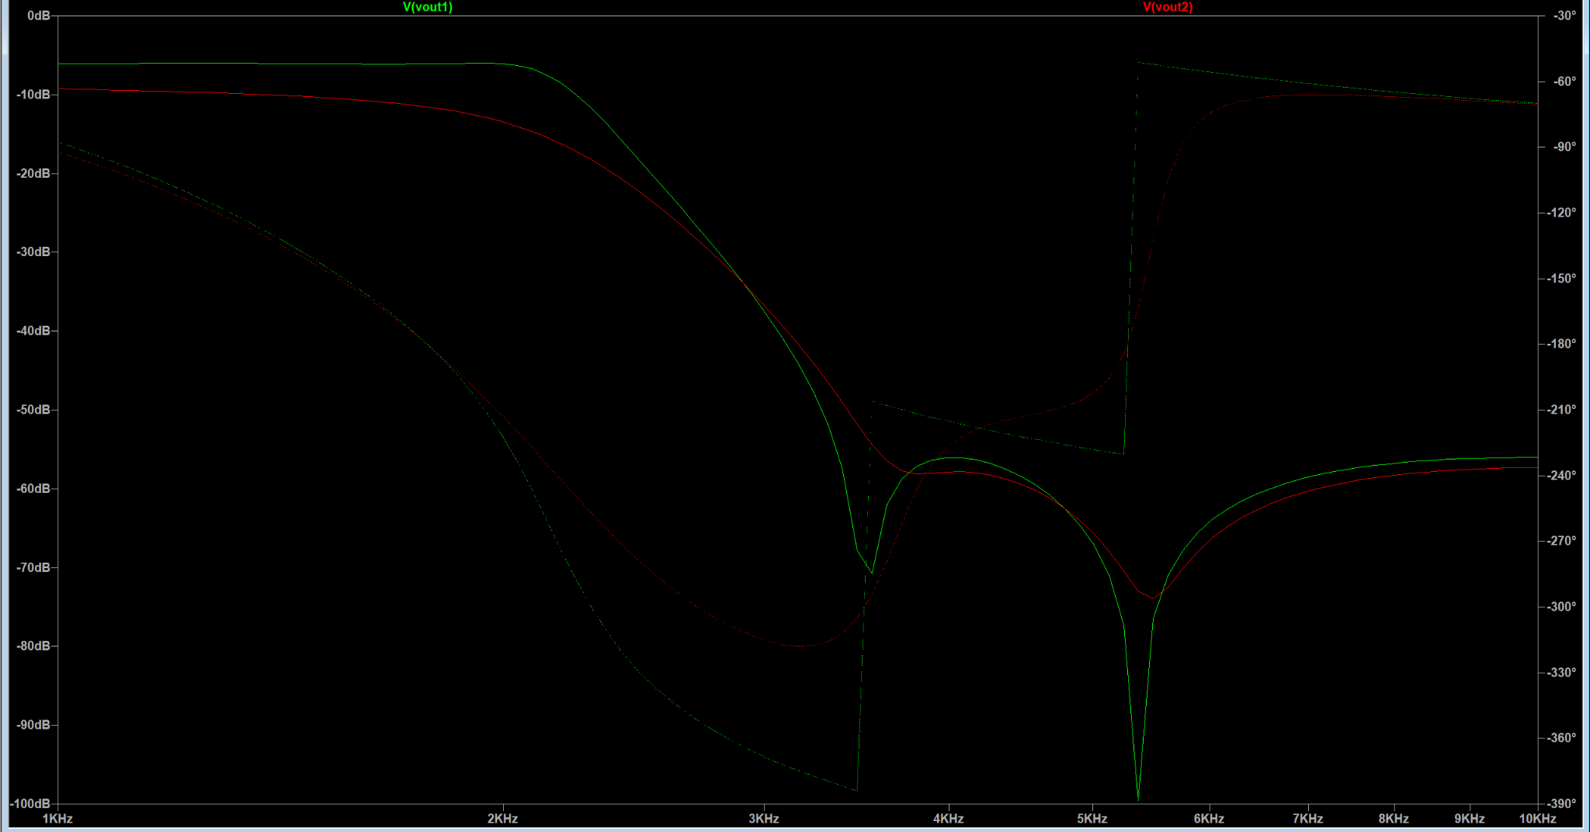
L/C Components | DCR / ESR (Ω) | Footprint | JLCPCB Part #
L1 / 4.7mH | 12.5 | SMD,8x8mm | C2903126
L2 / 4mH | 12.35 | SMD,10x10mm | C54426034
C1 / 1.5uF |  | X7R, 0603 | C361193
C2 / 180nF |  | X7R, 0603 | C519442
C3 / 3.3uF |  | X7R, 0805 | C38332
C4 / 470nF |  | X7R, 0603 | C513577
C5 / 1.5uF |  | X7R, 0603 | C361193

Other choices Possible | DCR / ESR (Ω) | Footprint | JLCPCB Part #
C1 / 1.5uF |  | X7R, 1206 | C282844
C2 / 180nF |  | X7R, 1206 | C458937
C3 / 3.3uF |  | X7R, 1206 | C20617860
C4 / 470nF |  | X7R, 1206 | C277483
C5 / 1.5uF |  | X7R, 1206 | C282844

C3 / 3.3uF |  | X5R, 0603 | C342962

5kHz
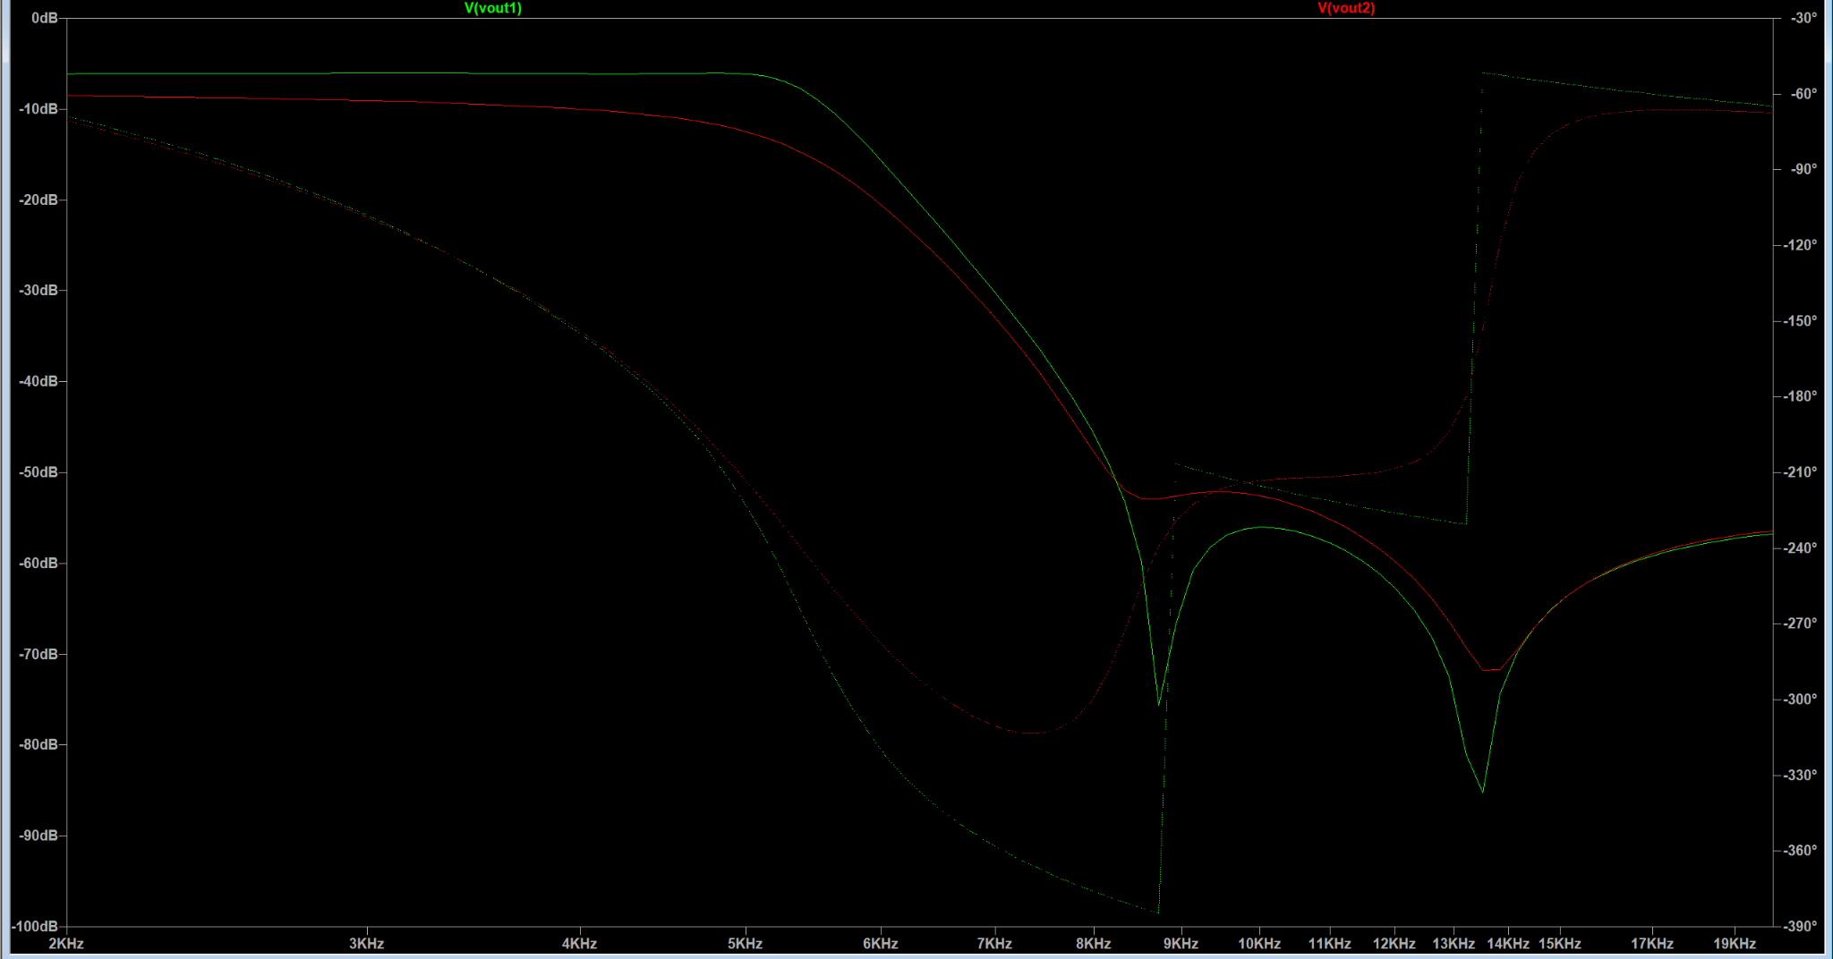
L/C Components | DCR / ESR (Ω) | Footprint | JLCPCB Part #
L1 / 2mH | 12.35 | SMD,6x6mm | C18236336
L2 / 1.8mH | 11.7 | SMD,5.8x5.2mm | C961369
C1 / 680nF |  | X7R, 0603 | C107067
C2 / 68nF |  | X7R, 0603 | C107098
C3 / 1uF |  | X7R, 0603 | C106248
C4 / 200nF |  | X7R, 0603 | C3833176
C5 / 560nF |  | X7R, 0603 | C282686

Other choices Possible | DCR / ESR (Ω) | Footprint | JLCPCB Part #
C1 / 680nF |  | X7R, 1206 | C145012
C2 / 68nF |  | C0G, 1206 | C77084
C3 / 1uF |  | X7R, 1206 | C91151
C4 / 220nF* |  | X7R, 1206 | C107186
C5 / 560nF |  | X7R, 1206 | C5448973

*: Value is slightly different because can't find 200nF 1206

10kHz
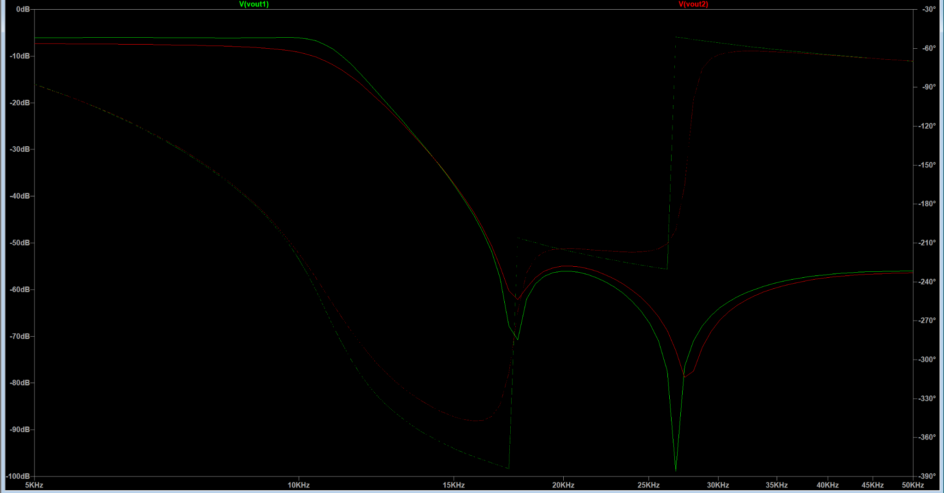
L/C Components | DCR / ESR (Ω) | Footprint | JLCPCB Part #
L1 / 1mH | 5.85 | SMD,6x6mm | C168102
L2 / 820uH | 4.45 | SMD,6x6mm | C22464216
C1 / 330nF |  | X7R, 0603 | C282682
C2 / 33nF |  | C0G, 0805 | C76628
C3 / 560nF |  | X7R, 0603 | C282686
C4 / 100nF |  | X7R, 0603 | C14663
C5 / 270nF |  | X7R, 0603 | C376826

Other choices Possible | DCR / ESR (Ω) | Footprint | JLCPCB Part #
C1 / 330nF |  | X7R, 1206 | C274377
C2 / 33nF |  | C0G, 1206 | C97930
C3 / 560nF |  | X7R, 1206 | C5448973
C4 / 100nF |  | C0G, 1206 | C97946
C5 / 270nF |  | Unknown, 1206 | C841559

C1 / 330nF |  | C0G, 1206 | C3905119

20kHz
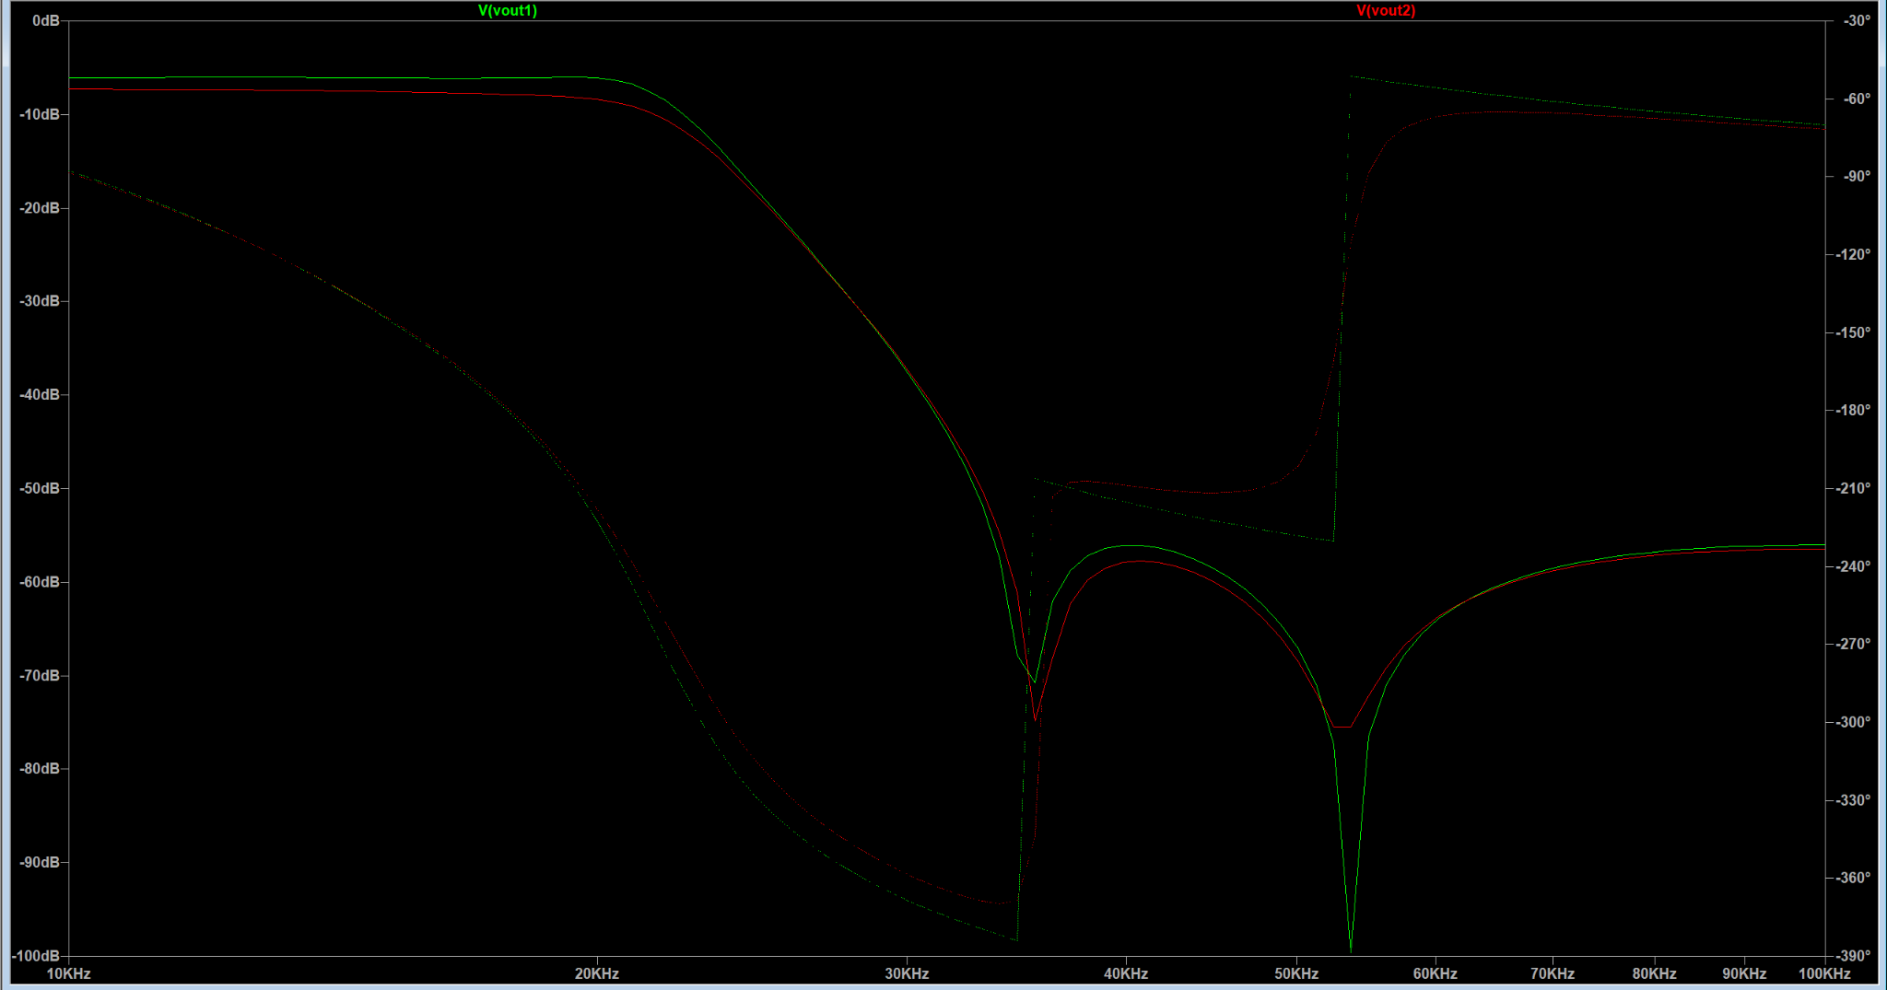
L/C Components | DCR / ESR (Ω) | Footprint | JLCPCB Part #
L1 / 500uH | 9.027 | SMD,4x4mm | C18236328
L2 / 390uH | 690m | SMD,12.2x12.2mm | C5343814
C1 / 180nF |  | X7R, 0603 | C519442
C2 / 18nF |  | C0G, 1206 | C711003
C3 / 270nF |  | X7R, 0603 | C376826
C4 / 51nF |  | C0G, 1206 | C711044
C5 / 150nF |  | X7R, 0603 | C513735

Other choices Possible | DCR / ESR (Ω) | Footprint | JLCPCB Part #
C1 / 180nF |  | X7R, 1206 | C458937
C2 / 18nF |  | C0G, 1206 | C711003
C3 / 270nF |  | Unknown, 1206 | C841559
C4 / 51nF |  | C0G, 1206 | C711044
C5 / 150nF |  | X7R, 1206 | C2991647

50kHz
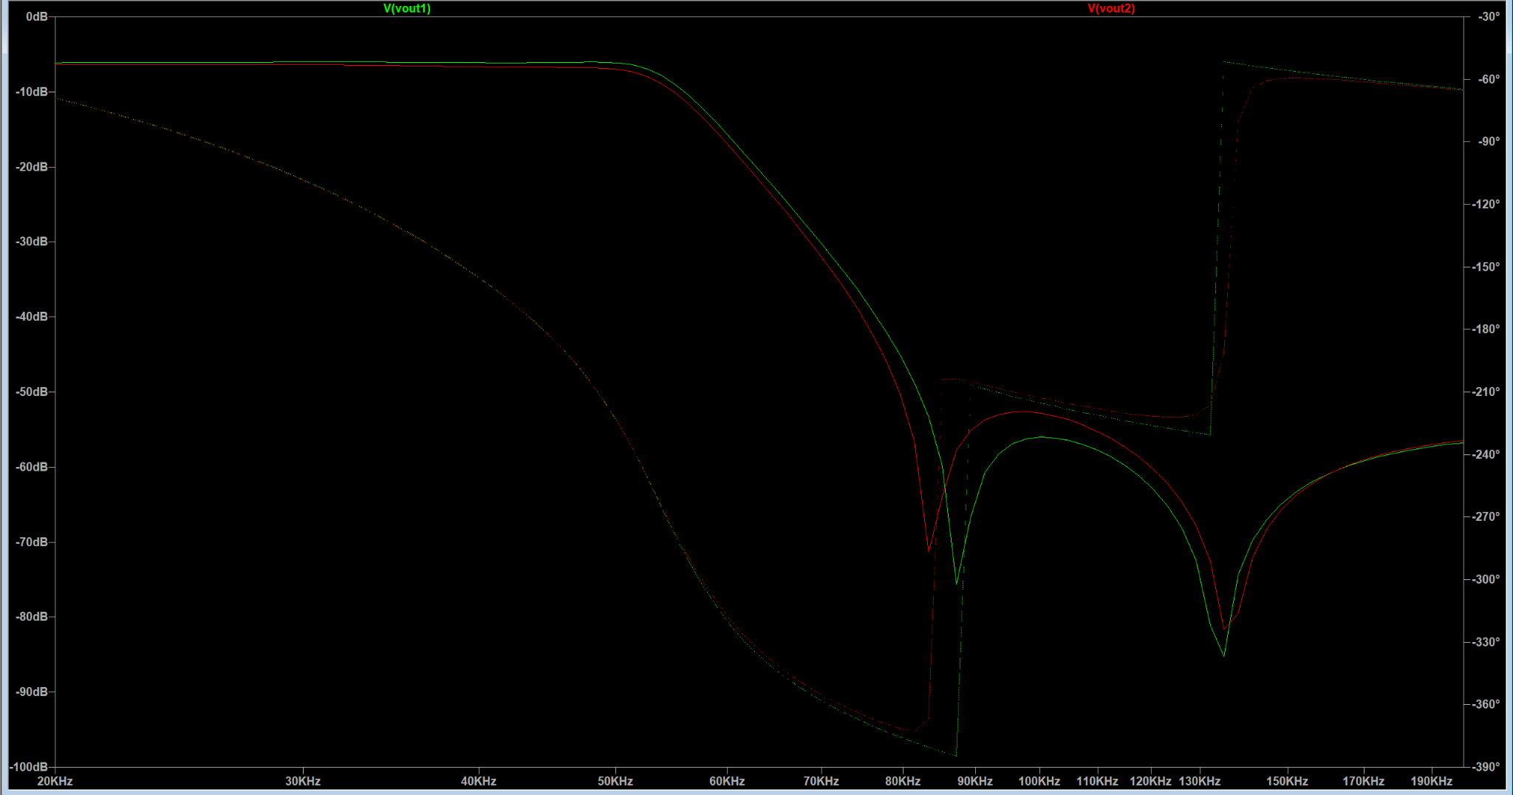
L/C Components | DCR / ESR (Ω) | Footprint | JLCPCB Part #
L1 / 200uH | 2.6 | SMD,5x5mm | C167949
L2 / 180uH | 230m | SMD-4P,12x12mm | C2455376
C1 / 68nF |  | C0G, 1206 | C77084
C2 / 6.8nF |  | C0G, 0603 | C162241
C3 / 100nF |  | X7R, 0603 | C14663
C4 / 20nF |  | C0G, 0805 | C17588990
C5 / 56nF |  | C0G, 1206 | C441752

Other choices Possible | DCR / ESR (Ω) | Footprint | JLCPCB Part #
C1 / 68nF |  | C0G, 1206 | C77084
C2 / 6.8nF |  | C0G, 0805 | C77068
C3 / 100nF |  | C0G, 1206 | C97946
C4 / 20nF |  | C0G, 0805 | C17588990
C5 / 56nF |  | C0G, 1206 | C441752

100kHz
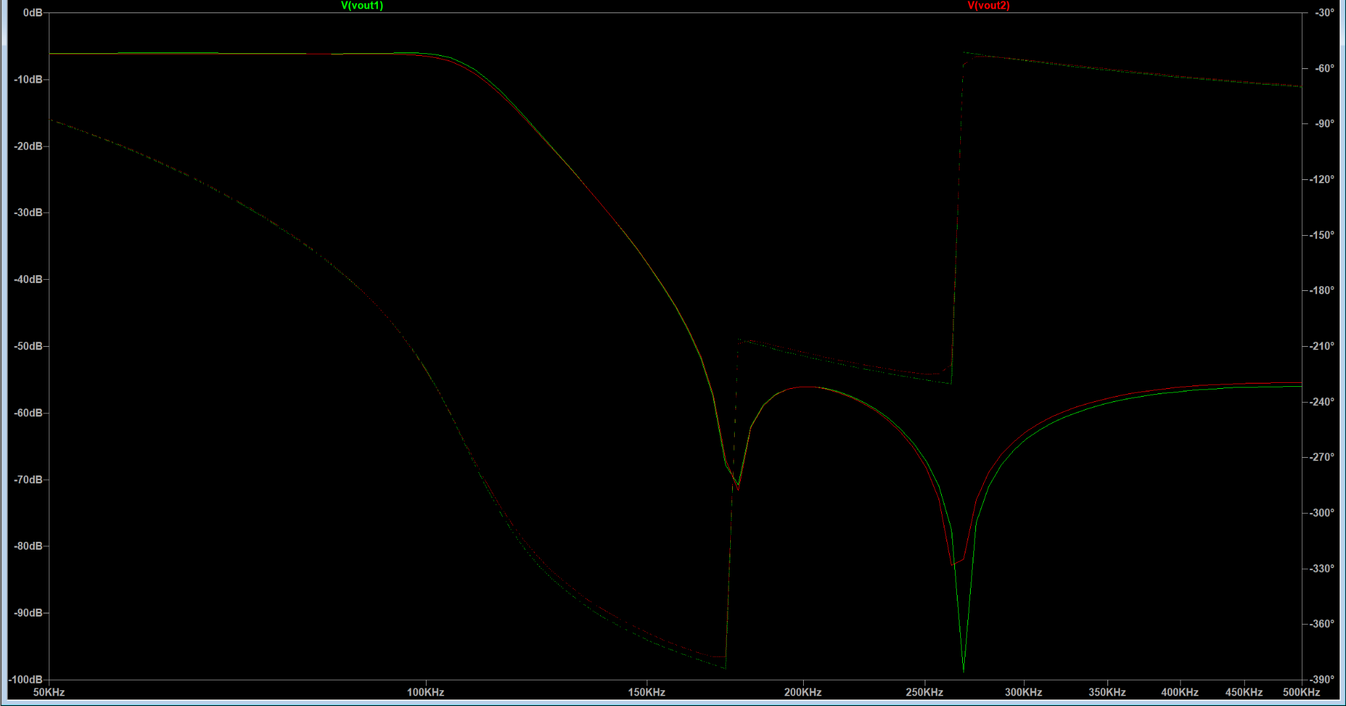
L/C Components | DCR / ESR (Ω) | Footprint | JLCPCB Part #
L1 / 100uH | 563m | SMD,6x6mm | C168095
L2 / 82uH | 160m | SMD,12x12mm | C2983072
C1 / 33nF |  | C0G, 0805 | C76628
C2 / 3.6nF |  | C0G, 0603 | C710898
C3 / 56nF |  | C0G, 1206 | C441752
C4 / 10nF |  | C0G, 0603 | C85973
C5 / 27nF |  | C0G, 1206 | C162433

Other choices Possible | DCR / ESR (Ω) | Footprint | JLCPCB Part #
C1 / 33nF |  | C0G, 1206 | C97930
C2 / 3.6nF |  | C0G, 0805 | C710935
C3 / 56nF |  | C0G, 1206 | C441752
C4 / 10nF |  | C0G, 0805 | C97905
C5 / 27nF |  | C0G, 1206 | C162433

200kHz

L/C Components | DCR / ESR (Ω) | Footprint | JLCPCB Part #
L1 / 47uH | 155m | SMD,11.5x10mm | C149599
L2 / 39uH | 850m | SMD,3x2.1mm | C5339362
C1 / 18nF |  | C0G, 1206 | C711003
C2 / 1.8nF |  | C0G, 0402 | C385028
C3 / 27nF |  | C0G, 1206 | C162433
C4 / 5.1nF |  | C0G, 0805 | C710948
C5 / 15nF |  | C0G, 0805 | C445728

Other choices Possible | DCR / ESR (Ω) | Footprint | JLCPCB Part #
C1 / 18nF |  | C0G, 1206 | C711003
C2 / 1.8nF |  | C0G, 0805 | C2170901
C3 / 27nF |  | C0G, 1206 | C162433
C4 / 5.1nF |  | C0G, 0805 | C710948
C5 / 15nF |  | C0G, 1206 | C440199

500kHz
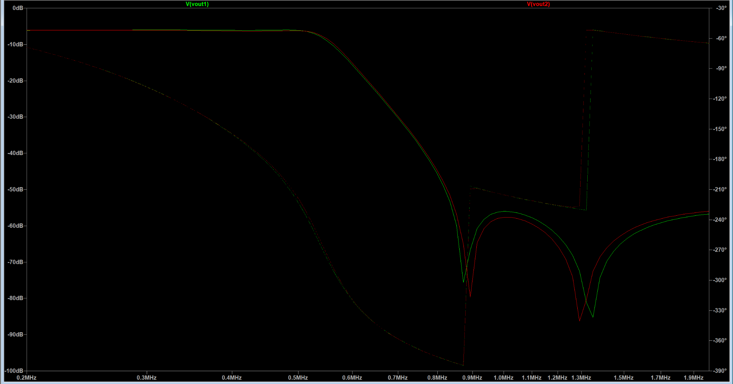
L/C Components | DCR / ESR (Ω) | Footprint | JLCPCB Part #
L1 / 22uH | 135m | SMD,7.1x6.6mm | C128694
L2 / 16uH | 34.5m | SMD,10.5x10.2mm | C2045615
C1 / 6.8nF |  | C0G, 0603 | C162241
C2 / 680pF |  | C0G, 0603 | C30816
C3 / 10nF |  | C0G, 0603 | C85973
C4 / 2nF |  | C0G, 0603 | C1870141
C5 / 5.6nF |  | C0G, 0603 | C440183

Other choices Possible | DCR / ESR (Ω) | Footprint | JLCPCB Part #
C1 / 6.8nF |  | C0G, 1206 | C694463
C2 / 680pF |  | C0G, 0805 | C22470029
C3 / 10nF |  | C0G, 1206 | C184799
C4 / 2nF |  | C0G, 0805 | C710939
C5 / 5.6nF |  | C0G, 1206 | C2929112

1MHz
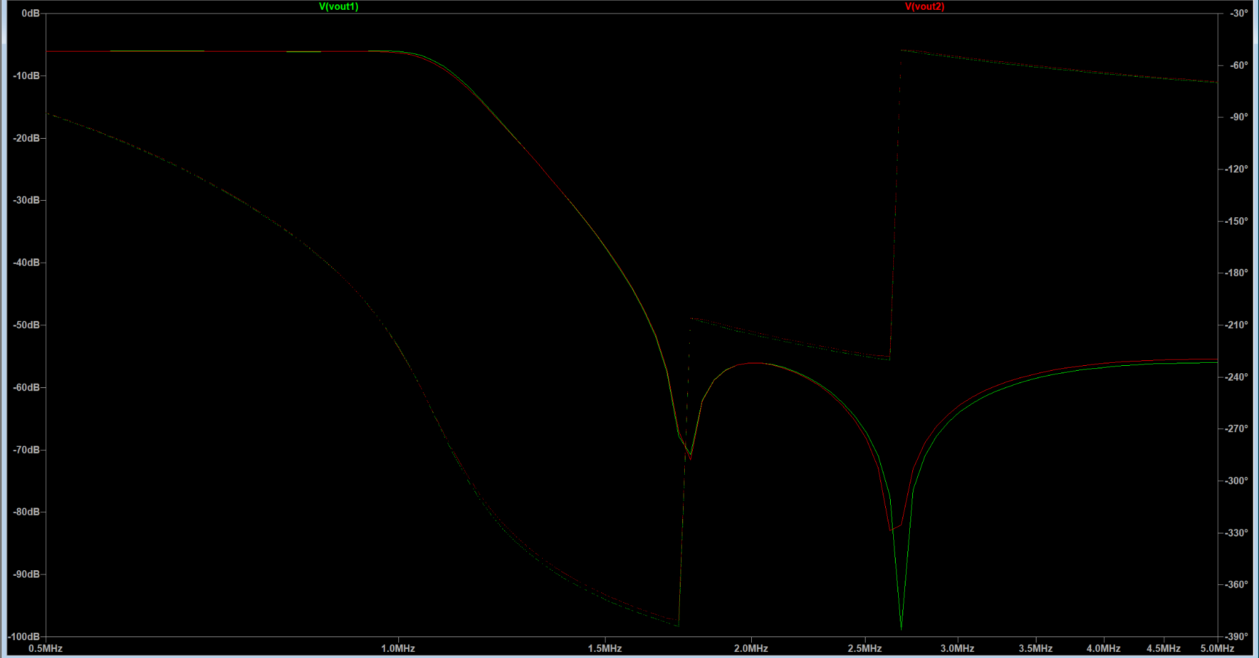
L/C Components | DCR / ESR (Ω) | Footprint | JLCPCB Part #
L1 / 10uH | 68m | SMD,7x6.6mm | C167223
L2 / 8.2uH | 60m | SMD,7x6.6mm | C167222
C1 / 3.3nF |  | C0G, 0603 | C77036
C2 / 360pF |  | C0G, 0603 | C20416440
C3 / 5.6nF |  | C0G, 0603 | C440183
C4 / 1nF |  | C0G, 0603 | C77026
C5 / 2.7nF |  | C0G, 0603 | C77034

Other choices Possible | DCR / ESR (Ω) | Footprint | JLCPCB Part #
C1 / 3.3nF |  | C0G, 1206 | C342755
C2 / 360pF |  | C0G, 0805 | C5375895
C3 / 5.6nF |  | C0G, 1206 | C1322389
C4 / 1nF |  | C0G, 0805 | C343010
C5 / 2.7nF |  | C0G, 1206 | C5632237

